Sheet1
Lego Dimensions

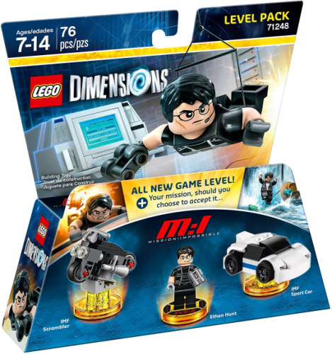

Prices are for a Take

Call for less than take all price.

Location: Ex Warehouse AL, USA

Subject to change and prior sale.

UPC | Lego Part # | LEGO Dimensions Accessories | # Units | Price
 |  |  |  |  | Amazon Lowest FBA
883929551309 | 71267 | LEGO Dimensions Level Pack Goonies | 16,740 | $10.50 | $22.98
883929529643 | 71248 | LEGO Dimensions Level Pack Mission Impossible | 36,258 | $7.50 | $16.99
883929529650 | 71253 | LEGO Dimensions Story Pack Fantastic Beasts | 5,040 | $10.75 | $23.85
 |  |  | 58,038

